1. Title Page
Grocery Basket Analysis

Project Name: Instacart Grocery Basket Analysis
Date: 23rd Nov 2023
Analyst Name: Andila Haque

Contents:
Population Flow
Consistency checks
Wrangling steps
Column derivations
Visualizations
Recommendations

Data Citation | “The Instacart Online Grocery Shopping Dataset 2017”,
 | Accessed from www.instacart.com/datasets/grocery-shopping-2017 via Kaggle on <date>.

 | Customers dataset and "Prices" column in "Products" dataset were fabricated for learning purposes.

2. Population Flow
Title page

Population flow

Exclusion flag
Condition: max_order < 5
Obervations to be removed: 1440295
Final total count of order_products_all: 30,964,564

Orders_products_combined
Orders_products_merged
Orders_products_all

Total:32,404,859
Total: 32,434,489
Total: 30,964,564

1.) The grey boxes in the first row of the population flow represent the original data sets as they were when you downloaded them. In the Total fields you need to add the count of the rows when you imported the data set into Jupyter.
2.) The second row of boxes (coloured) represents the data sets after you manipulated them, e.g., removed missing values and duplicates. In the Total fields you need to add the count of the rows after conducting these operations. This offers a visual oveview of how the data flows throughout the data consistency checks.
3.) The third row, where also the arrows are coloured, represents the merges you performed between the datasets. In the Total fields you need to add the count of the rows in the merged datasets, so that you end up with the final dataset (in the red box). Keep in mind the final dataset should be without exclusions (based on the exclusion flag).

3. Consistency checks
 |  |  |  | Title page
Consistency checks

Dataset | Missing values | Missing values treatment | Duplicates
orders | 206,209 missing values in 'days_since_prior_order' column. | Since the number of rows having missing values is quite large, I would like to first confirm from the client if its ok. Assuming that the client said yes to fill it with mean values, I filled it with mean value. | No Duplicate rows were found.
products | 16 values in column 'product_name' were missing | These 16 rows were removed. | 5 Duplicate rows were found and removed.
orders_products_prior | No missing values found | N/A | No duplicate rows found
customers | 11,259 missing values in 'first_name' column | Replaced the missing values with 'unknown'. | No Duplicate rows were found.

 |  | Since the number of rows having missing values is quite large, I would like to first confirm from the client if its ok
 |  | # to proceed and fill it with mean value.
 |  | # Dropping the rows is not a good idea in this case as large number of rows are involved.

4. Wrangling Steps
 |  |  |  |  |  | Title page
Wrangling steps

Dataset | Transposed | Columns dropped | Columns renamed | Columns' type changed | Comment/Reason
orders |  | eval_set |  |  | Not needed for the analysis.
 |  |  | order_dow -> orders_day_of_week |  | Renamed a column to give a more explanatory name.
 |  |  |  | order_id: int64 -> str | ID column, changed data type to exclude the column from descriptive statistics.
 |  |  |  | user_id: int64 -> str | ID column, changed data type to exclude the column from descriptive statistics.
 |  | Unnamed: 0 |  |  | Duplicated index column, not needed.
department | wide format -> long format |  |  |  | Transposed to merge with another dataframe, based on department_id column.
orders_products_combined |  | _merge |  |  | Merge flag that was used to check the result of merging two dataframes, not needed anymore.
customers |  |  | First Name' to 'first_name' 'Surnam' to 'last_name' 'Gender' to 'gender' 'STATE' to 'state' 'Age' to 'age' 'fam_status' to 'marital_status' 'Joining_date' to 'date_joined' 'No_of_dependants' to 'num_of_dependants' Income' to 'income' |  | Renamed columns to keep the consistency in names.
 |  |  |  | user_id: int64 -> str | ID column, changed data type to exclude the column from descriptive statistics.
orders_products_flagged |  |  |  | user_id: int64 -> str | Changed data type to merge with 'customers' dataset.
 |  | _merge |  |  | Merge flag that was used to check the result of merging two dataframes, not needed anymore.
orders_products_customers_merged |  | first_name last_name |  |  | PII data, each customer has a unique user_id, that will be used for the analysis.
departments_wrangled |  |  | Unnamed: 0 -> department_id |  | Renamed key column to merge two dataframes.

6. Visualizations
 |  |  | Title page

Visualisations

In this tab you should include all the visualtions from Exercises 4.9 and 4.10, alongside the questions from the project brief that they answer. Include any commentary on the relationship between different variables.


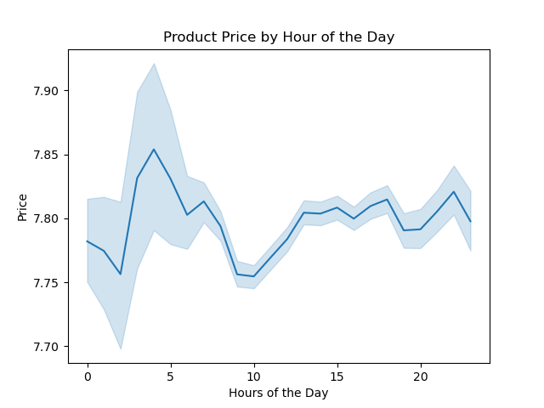
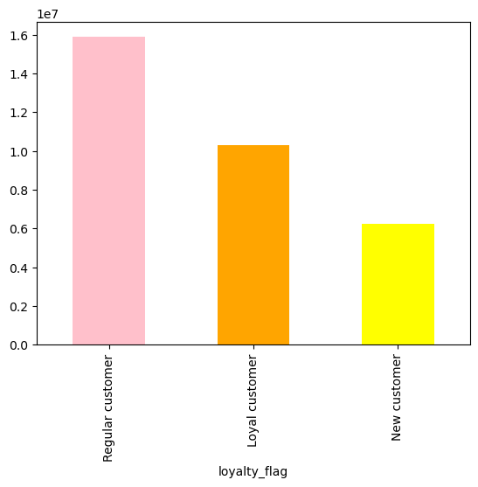

Chart 1: Frequency of Orders by Hour of the Day. The chart shows the frequency of product orders for each hour of the day. The slowest period of the day is from midnight to 6 am, whereas the highest numbers of orders are to be found between 9 am and 4 pm. Furthermore there is a steady decrease in the orders placed after 4 pm. | Chart 2: Frequency of Orders by Loyalty Flag. Although Loyal customers place more orders than Regular ones (per definition), the latter show more product orders, which means their total user number must be higher than Loyal customers. | Chart 3: Product Price by Hour of the Day. The average prices of products ordered during the day are similar, namely around 7.80.

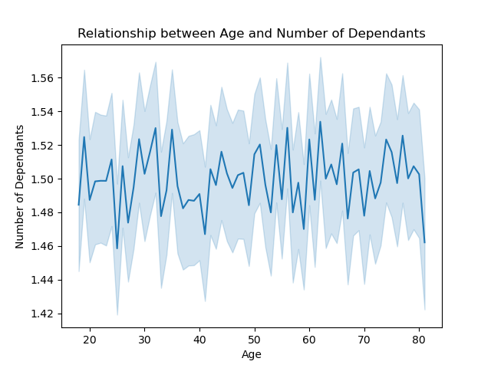

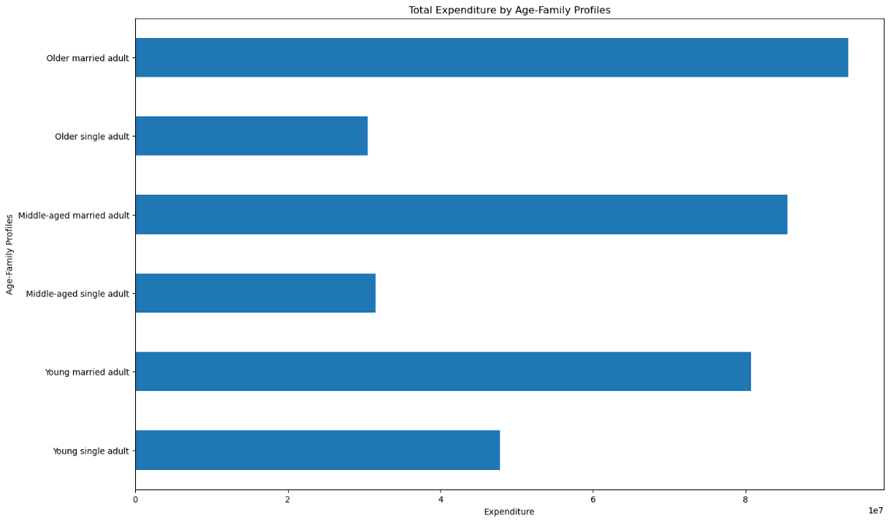

Chart 4: Relationship between Age and Number of Dependants. Age doesn't have any significant impact on the number of dependants among Instacart's customers. | Chart 5: Total Expenditure by Age-Family Profiles. Married users spend more money than single ones. The distribution reflects the total number of purchased items by the age-family profiles. It shows that married people spend more than single people.

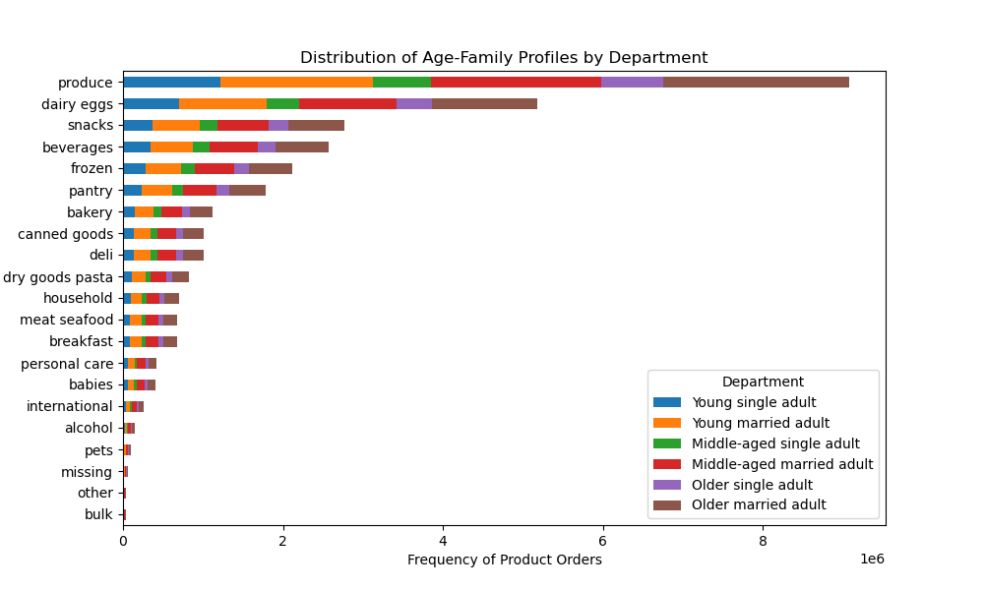
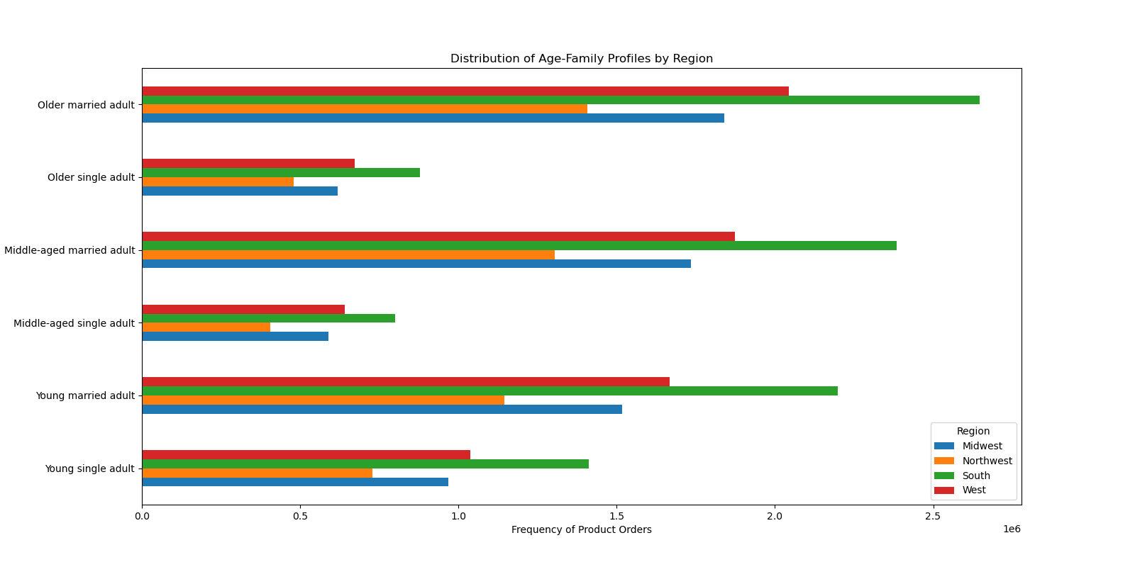

Chart 6: Distribution of Age-Family Profiles by Region. There's no regional differences regarding the frequency of product orders among the age-family profiles. |  | Chart 7: Distribution of Age-Family Profiles by Department. There's no differences across the departments regarding the frequency of product orders among the age-family profiles.

7. Recommendations
 |  |  | Title page

Recommendations

In this tab you should include any recommendations you would made to Instcart in terms of their marketing strategy based on the questions posed in the brief. Every key question has been covered in the Tasks of the Exercises - here you need to add an item - a visualisation or table/crosstable that is showing the answer in the data, acompanied by a comment from you. Please, list the questions below and add the answer underneath.

Question |  | Answer

Key Question 1 | What are the busiest days of the week and hours of the day (i.e., the days and times with the most orders) to schedule ads at times when there are fewer orders. | Ads should be scheduled during workdays, especially on Wednesday and Thursday, between 6 a.m. to 9 a.m. and 4 p.m. to midnight.
Key Question 2 | Are there particular times of the day when people spend the most money, as this might inform the type of products to advertise at these times. | Customers spend the most money per one product in the early morning, from 4 a.m. to 6 a.m. The lowest spending are within 9-11 a.m.
Key Question 3 | Instacart has a lot of products with different price tags. Marketing and sales want to use simpler price range groupings to help direct their efforts. | Products prices can be divided into three groups: - low-range products (below $5), - mid-range products (from $5 to $15), - high-range products (above $15).
Key Question 4 | Are certain types of products more popular than others? | The most popular products were from the next departments: produce, dairy and eggs, snacks, beverages, frozen, and pantry. The marketing team should also include meat and seafood, breakfast, baby and personal care in their promotions and offer exclusive discounts for these products, as better prices might attract more customers. The least popular were bulk, pets, and alcohol departments, so the marketing team might promote these items as well to boost the sales. Also, there should be a clear explanation of the goods that belong to 'other' and 'missing' departments, as they also have the lowest number of orders.
Key Questions 5 | 5.1. What is the distribution of customers in terms of the brand loyalty? 5.2. Are there any differences in ordering habits between different loyalty status? | The company's customers can be classified as new, regular, and loyal customers. 19% are new customers, 32% are loyal customers and 49% are regular customers.
 | 5.3. Are there any differences in ordering habits based on the customers regions? | All regions have more low-spending customers than high-spending, and the same type of products are popular across all regions. South region generates the highest income.
 | 5.4. What might be different customers classifications based on the demographic charcteristics? | Customers can be classified based on their age, income and family status. The company has customers of all ages, but the predominant category is 30-49 years old. There are more medium-income customers, while high-income category is the smallest. Vast majority of customers are married and have dependants.
 | 5.5. How do the ordering habits differ based on the customer profile? | Customers that belong to the low-income group spend on average less per product compared to people with higher income. Besides that, there are no major differences in ordering habits between different customer profiles. Customers of different age, income, and family status groups tend to buy the same type of products and place on average the same number of orders.

